Hoja1
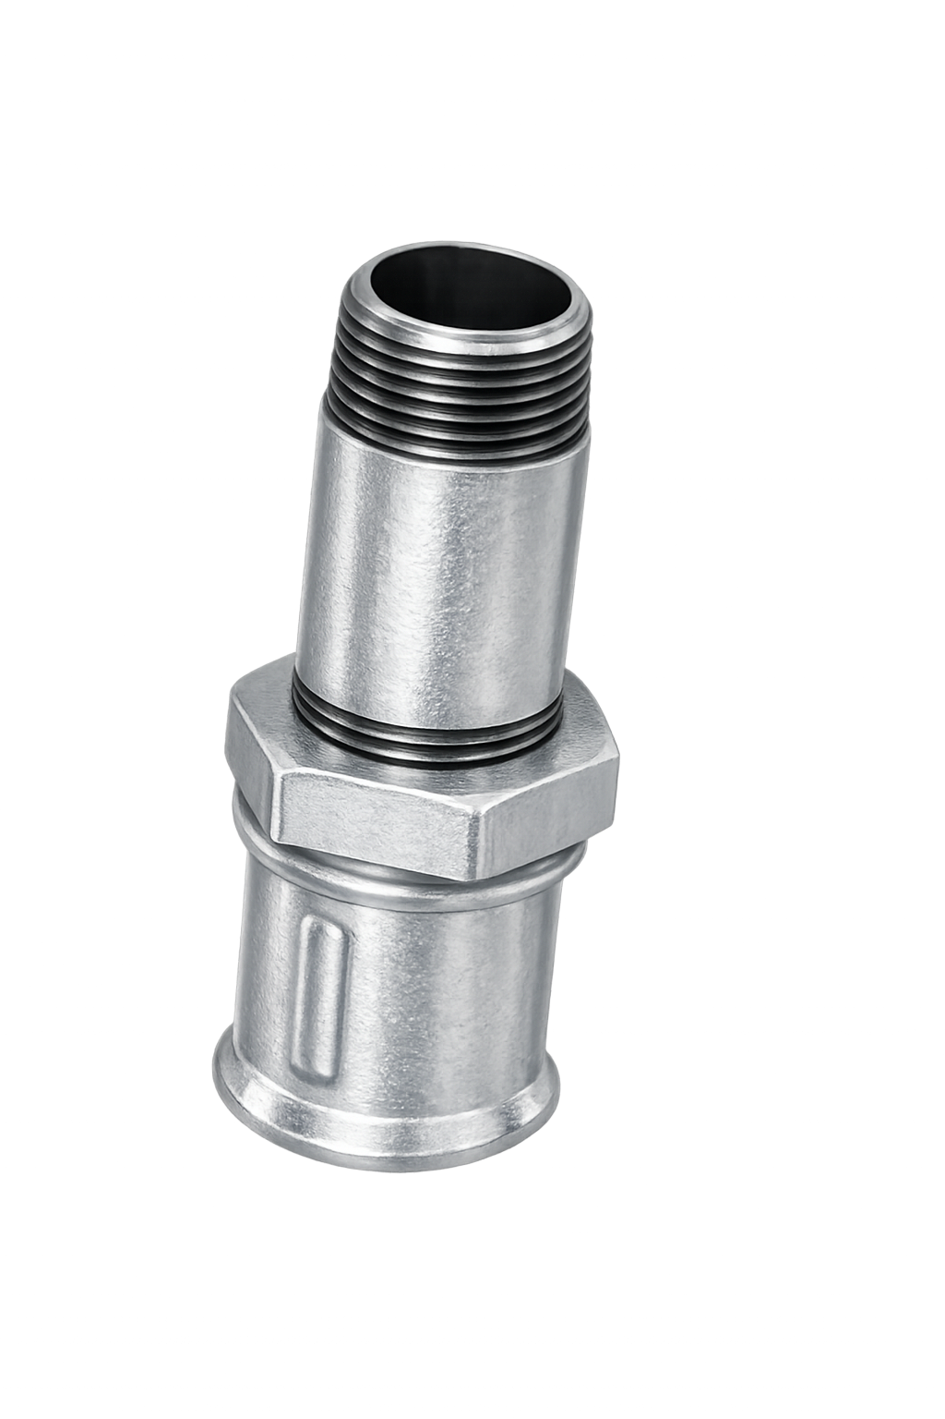
Sucesores de Brovelli y Cía S.R.L.
CONEXIONES GALVANIZADAS COMPLETAS |  |  |  | CONEXIONES GALVANIZADAS SIMPLES |  |  |  | CONEXIONES EPOXI COMPLETAS
 | CODIGO | MEDIDA | PRECIOS |  | CODIGO | MEDIDA | PRECIOS |  | CODIGO | MEDIDA | PRECIOS
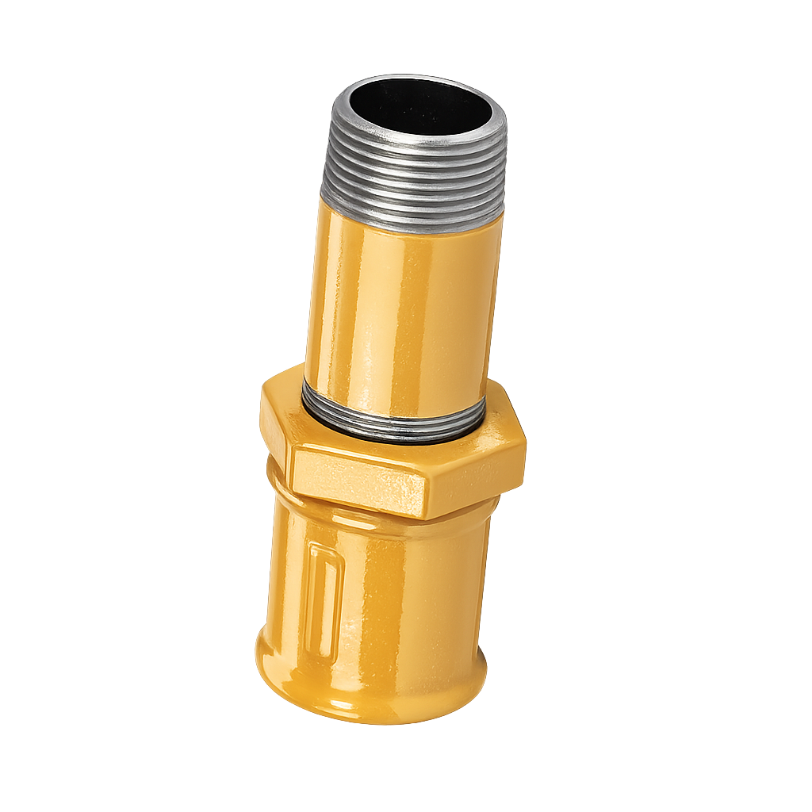
 | G510013000 | 1/2" | 10292.24 |  | G520013000 | 1/2" | 7301.84 |  | E510013000 | 1/2" | 11530.15
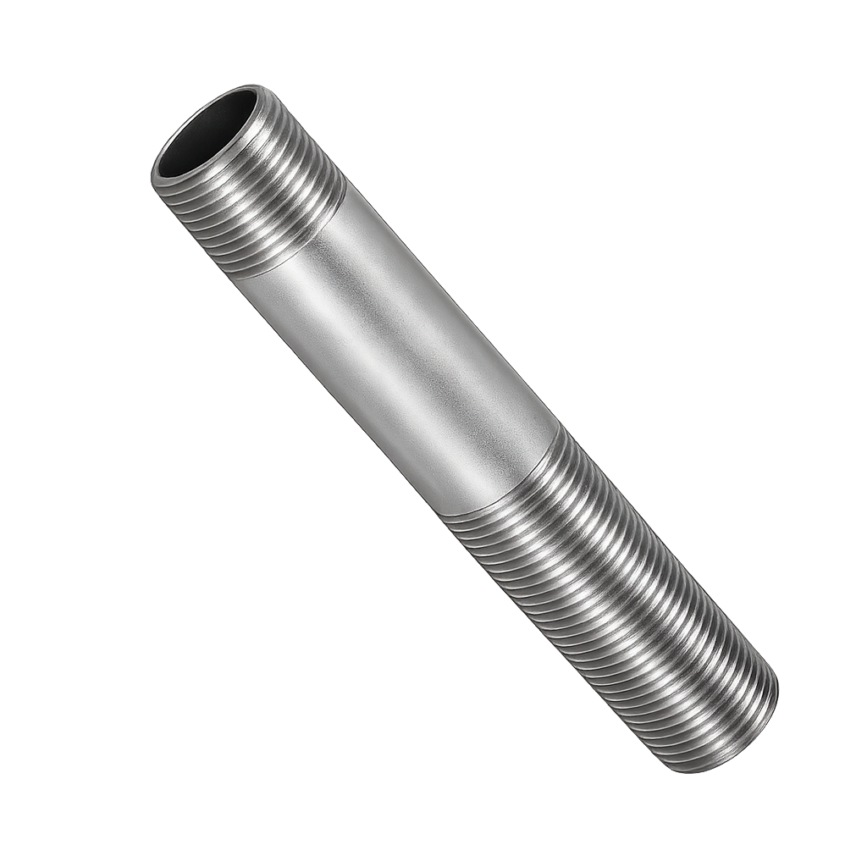
 | G510019000 | 3/4" | 14385.61 |  | G520190000 | 3/4" | 7599.13 |  | E510019000 | 3/4" | 12297.93
 | G510025000 | 1" | 20783.83 |  | G520025000 | 1" | 11418.68 |  | E510025000 | 1" | 17984.24
 | G510032000 | 11/4" | 27080.52 |  | G520032000 | 11/4" | 13984.87 |  | E510032000 | 11/4" | 23718.28
 | G510038000 | 11/2" | 24462.53 |  | G520038000 | 11/2" | 10322.03 |  | E510038000 | 11/2" | 22247.15
 | G510051000 | 2" | 56302.29 |  | G520051000 | 2" | 28392.52 |  | E510051000 | 2" | 48826.77
 | G510064000 | 21/2" | 98855.89 |  | G520064000 | 21/2" | 48358.26 |  | E510064000 | 21/2" | 85693.65
 | G510076000 | 3" | 129027.58 |  | G520076000 | 3" | 56155.52 |  | E510076000 | 3" | 101650.41
 | G510102000 | 4" | 206710.64 |  | G520102000 | 4" | 84350.69 |  | E510102000 | 4" | 175966.78
 | G510127000 | 5" |  |  | G520127000 | 5" | 259393.90 |  | E510127000 | 5" | 787972.29
 | G510152000 | 6" |  |  | G520152000 | 6" | 315514.37 |  | E510152000 | 6" | 885235.31
CONEXIONES COMPLETAS GALVANIZADAS LARGAS |  |  |  | CONEXIONES SIMPLES GALVANIZADAS LARGAS |  |  |  | CONEXIONES COMPLETAS LARGAS EPOXI
 | CODIGO | MEDIDA | PRECIOS |  | CODIGO | MEDIDA | PRECIOS |  | CODIGO | MEDIDA | PRECIOS
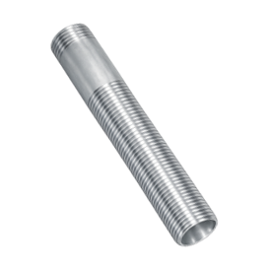
 | G610013000 | 1/2" | 11560.38 |  | G620013000 | 1/2" | 8569.98 |  | E610013000 | 1/2" | 12925.10
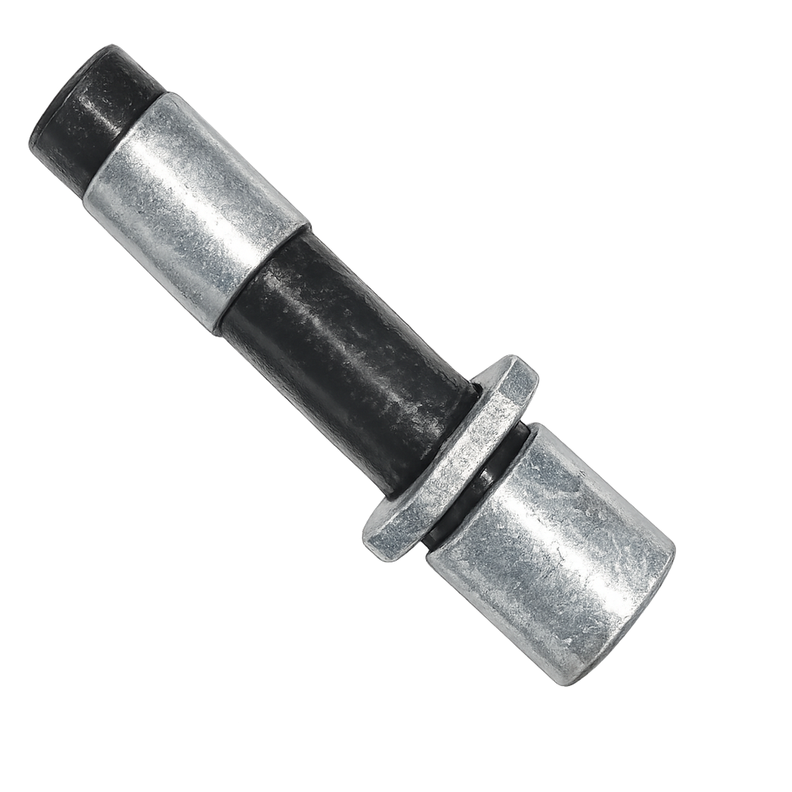
 | G610019000 | 3/4" | 14761.54 |  | G620019000 | 3/4" | 10254.81 |  | E600019000 | 3/4" | 15219.17
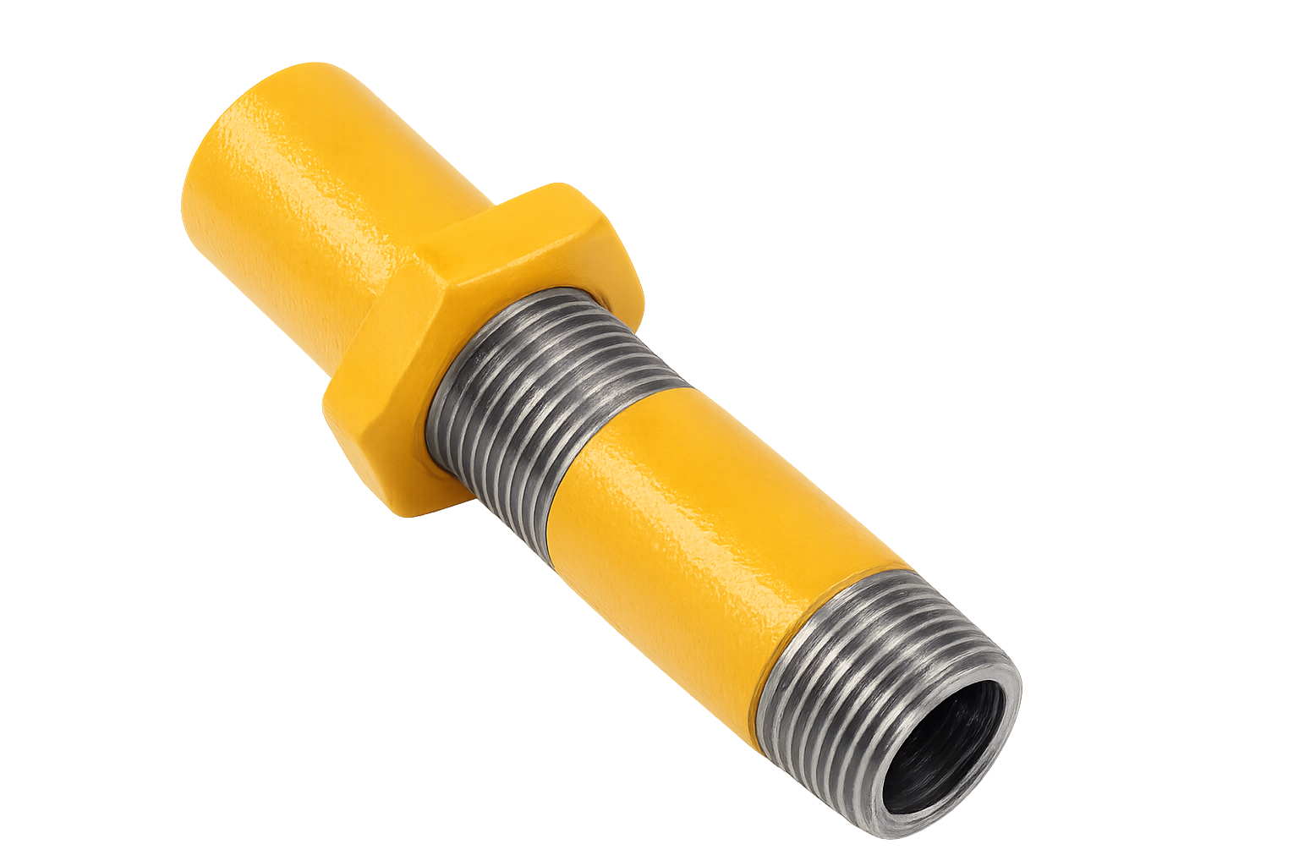
 | G610025000 | 1" | 20766.48 |  | G620025000 | 1" | 14826.93 |  | E600025000 | 1" | 21733.32
 | G610032000 | 11/4" | 27325.36 |  | G620032000 | 11/4" | 18425.17 |  | E600032000 | 11/4" | 28602.60
 | G610038000 | 11/2" | 35411.64 |  | G620038000 | 11/2" | 24367.76 |  | E600038000 | 11/2" | 37697.45
 | G610051000 | 2" | 51856.11 |  | G620038000 | 2" | 32464.09 |  | E600051000 | 2" | 53305.49
 | G610064000 | 21/2" | 88474.97 |  | G620051000 | 21/2" | 50292.59 |  | E600064000 | 21/2"
 | G610076000 | 3" | 111362.12 |  | G620064000 | 3" | 58401.74 |  | E600076000 | 3"
 | G610102000 | 4" | 187114.48 |  | G620076000 | 4" | 93959.47 |  | E600102000 | 4"
 | G610127000 | 5" |  |  | G620127000 | 5" |  |  |  | 5"
 | G610152000 | 6" |  |  | G620152000 | 6" |  |  |  | 6"
CUPLAS LISAS GALVANIZADAS SCH 40 |  |  |  | CUPLAS LISAS SCH 40 CON COSTURA |  |  |  | CONEXIONES EPOXI SIMPLES
 | CODIGO | MEDIDA | PRECIOS |  | CODIGO | MEDIDA | PRECIOS |  | CODIGO | MEDIDA | PRECIOS
 | G530003000 | 1/8" | 1272.88 |  | N530S40003 | 1/8" | 1126.44 |  | E520013000 | 1/2" | 8032.02
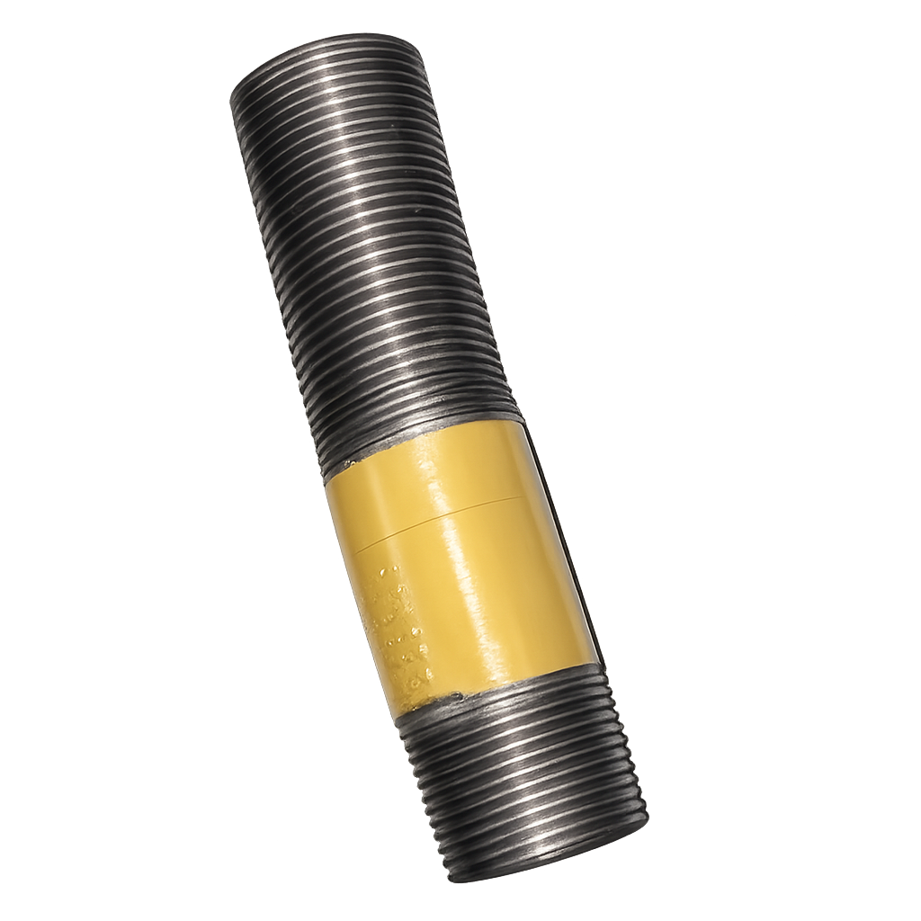
 | G530006000 | 1/4" | 2444.55 |  | N530S40006 | 1/4" | 2222.31 |  | E520019000 | 3/4" | 8359.04
 | G530009000 | 3/8" | 3020.17 |  | N530S40009 | 3/8" | 2745.61 |  | E520025000 | 1" | 12560.54
 | G530013000 | 1/2" | 3613.82 |  | N530S40013 | 1/2" | 3285.29 |  | E520032000 | 11/4" | 15383.36
 | G530019000 | 3/4" | 4121.00 |  | N530S40019 | 3/4" | 3746.36 |  | E520038000 | 11/2" | 11354.24
 | G530025000 | 1" | 5449.33 |  | N530S40025 | 1" | 4953.94 |  | E520051000 | 2" | 31231.77
 | G530032000 | 11/4" | 8239.58 |  | N530S40032 | 11/4" | 7490.53 |  | E520064000 | 21/2" | 53194.09
 | G530380000 | 11/2" | 10769.61 |  | N530S40038 | 11/2" | 9790.55 |  | E520076000 | 3" | 61771.07
 | G530051000 | 2" | 15353.91 |  | N530S40051 | 2" | 13958.10 |  | E520102000 | 4" | 92785.76
 | G530064000 | 21/2" | 29315.79 |  | N530S40064 | 21/2" | 26650.72 |  | E520127000 | 5" | 311272.68
 | G530076000 | 3" | 44552.65 |  | N530S40076 | 3" | 40502.40 |  | E520152000 | 6" | 378617.24
 | G530102000 | 4" | 76793.88 |  | N530S40102 | 4" | 74557.17 | CONEXIONES SIMPLES LARGAS EPOXI
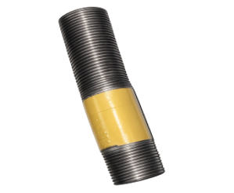
 | G530127000 | 5" | 257058.12 |  | N530S40127 | 5" | 233689.20 |  | CODIGO | MEDIDA | PRECIOS
 | G530152000 | 6" | 233689.20 |  | N530S40152 | 6" | 210320.28 |  | E600013000 | 1/2" | 9426.98
1/2 CUPLAS SCH 40 CON COSTURA |  |  |  | 1/2 CUPLAS SCH 80 CON COSTURA |  |  |  |  | E600019000 | 3/4" | 11280.29
 | CODIGO | MEDIDA | PRECIOS |  | CODIGO | MEDIDA | PRECIOS |  | E600025000 | 1" | 16309.62
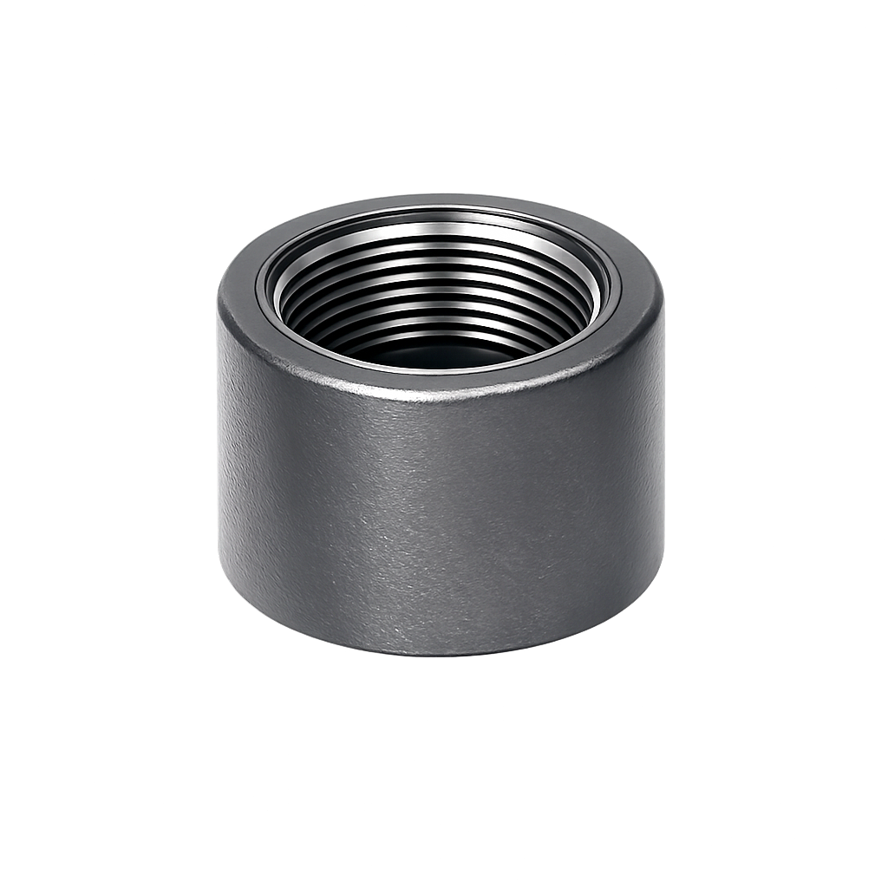
 | N531013000 | 1/2" | 3121.03 |  | N532013000 | 1/2" | 4236.08 |  | E600032000 | 11/4" | 20267.69
 | N531019000 | 3/4" | 3559.04 |  | N532019000 | 3/4" | 5145.43 |  | E600038000 | 11/2" | 26804.53
 | N531025000 | 1" | 4706.24 |  | N532025000 | 1" | 7328.89 |  | E600051000 | 2" | 35710.50
 | N531032000 | 11/4" | 7116.00 |  | N532032000 | 11/4" | 9797.62 |  | E600064000 | 21/2"
 | N531038000 | 11/2" | 9301.02 |  | N532038000 | 11/2" | 17498.38 |  | E600076000 | 3"
 | N531051000 | 2" | 13260.20 |  | N532051000 | 2" | 21645.77 |  | E600102000 | 4"
 | N531164000 | 21/2" | 25318.19 |  | N532064000 | 21/2" | 37834.48 |  |  | 5"
 | N531075000 | 3" | 38477.28 |  | N532076000 | 3" | 56189.47 |  |  | 6"
 | N531102000 | 4" | 70829.31 |  | N532102000 | 4" | 107033.81

Sucesores de Brovelli y Cía S.R.L.

CUPLAS LISAS SCH 80 CON COSTURA |  |  |  | 1/2 CUPLAS SCH 80 BISELADAS EXTERIOR |  |  |  | ROSCAS SENCILLAS GALVANIZADAS
 |  |  |  | CON COSTURA
 | CODIGO | MEDIDA | PRECIOS |  | CODIGO | MEDIDA | PRECIOS |  | CODIGO | MEDIDA | PRECIOS
 | N530S80003 | 1/8" | 2682.69 |  | N533013000 | 1/2" | 4592.81 |  | G500013000 | 1/2" | 1539.96
 | N530S80006 | 1/4" | 2682.69 |  | N533019000 | 3/4" | 5578.73 |  | G500019000 | 3/4" | 1854.26
 | N530S80009 | 3/8" | 3020.82 |  | N533025000 | 1" | 7946.06 |  | G500025000 | 1" | 2896.08
 | N530S80013 | 1/2" | 4459.04 |  | N533032000 | 11/4" | 10622.68 |  | G500032000 | 11/4" | 4660.56
 | N530S80019 | 3/4" | 5416.24 |  | N533038000 | 11/2" | 18971.93 |  | G500380000 | 11/2" | 5802.06
 | N530S80025 | 1" | 7714.62 |  | N533051000 | 2" | 23468.58 |  | G500051000 | 2" | 7416.89
 | N530S80032 | 11/4" | 10313.29 |  | N533164000 | 21/2" | 41020.54 |  | G500064000 | 21/2" | 14033.48
 | N530S80038 | 11/2" | 18419.35 |  | N533075000 | 3" | 60921.21 |  | G500076000 | 3" | 16177.82
 | N530S80051 | 2" | 22785.03 |  | N533102000 | 4" | 116047.18 |  | G500102000 | 4" | 22035.75
 | N530S80064 | 21/2" | 39825.77 |  |  |  |  |  | G500127000 | 5" | 84582.48
 | N530S80076 | 3" | 59146.81 | 1/2 CUPLAS SCH 80 BISELADAS EXTERIOR |  |  |  |  | G500152000 | 6" | 111230.87
 | N530S80102 | 4" | 112667.17 | CON COSTURA BISEL 45° PARA SOLDAR A TOPE
 | N530S80127 | 5" | 233689.20
 | N530S80152 | 6" | 233689.20

