Hoja1
ACCESORIOS EPOXI |  |  |  |  | Sucesores de Brovelli y cía. SRL |  |  |  |  |  | LISTA
CURVAS M.H. 90° | CODIGOS | Diam. | PRECIO | CURVAS H.H. 90° | CODIGOS | Diam. | PRECIO | CURVAS M.M 90° | CODIGOS | Diam. | PRECIO
 | I001013000 | 1/2" | 3649.30 |  | I021013000 | 1/2" | 3691.84 |  | I003013000 | 1/2" | -
 | I001019000 | 3/4" | 5097.89 |  | I002101900 | 3/4" | 5357.77 |  | I003019000 | 3/4" | -
 | I001025000 | 1" | 9382.17 |  | I002025000 | 1" | 8322.55 |  | I003025000 | 1" | -
 | I001032000 | 11/4" | 14992.94 |  | I002032000 | 11/4" | 13690.24 |  | I003032000 | 11/4" | -
 | I001038000 | 11/2" | 20027.09 |  | I002038000 | 11/2" | 17539.39 |  | I003038000 | 11/2" | -
 | I001051000 | 2" | 30204.59 |  | I002051000 | 2" | 29867.62 |  | I003051000 | 2" | -
 | I001063000 | 21/2" | 67386.06 |  | I002063000 | 21/2" | 64065.48 |  | I003063000 | 21/2" | -
 | I001076000 | 3" | 101538.78 |  | I002076000 | 3" | 108334.96 |  | I031076000 | 3" | -
 | I001102000 | 4" | 198465.71 |  | I002102000 | 4" | 221595.64 |  |  |  | -
 | I001152000 | 6" | 1246660.60 |  | I002152000 | 6" | 1246660.60 |  |  |  | -
CURVAS MH. 45° | CODIGOS | Diam. | PRECIO | CURVAS H.H. 45° | CODIGOS | Diam. | PRECIO | CODOS H.H.45° | CODIGOS | Diam. | PRECIO
 | I040013000 | 1/2" | 3691.84 |  | I041013000 | 1/2" | 3745.45 |  | I093013000 | 1/2" | -
 | I040019000 | 3/4" | 5395.35 |  | I041019000 | 3/4" | 5078.63 |  | I093019000 | 3/4" | -
 | I040025000 | 1" | 7625.55 |  | I041025000 | 1" | 7844.37 |  | I093025000 | 1" | -
 | I040032000 | 11/4" | 12000.48 |  | I041032000 | 11/4" | 12929.45 |  | I093032000 | 11/4" | -
 | I040038000 | 11/2" | 18457.50 |  | I041038000 | 11/2" | 17625.01 |  | I093035000 | 11/2" | -
 | I040051000 | 2" | 29539.46 |  | I041051000 | 2" | 25986.25 |  | I093051000 | 2" | -
 | I040063000 | 21/2" | 61159.61 |  | I041063000 | 21/2" | 50763.26 |  | I093064000 | 21/2" | -
 | I040076000 | 3" | 83704.00 |  | I041076000 | 3" | 101538.78 |  | I093076000 | 3" | -
 | I040102000 | 4" | 202724.20 |  | I041102000 | 4" | 184609.74 |  | I093102000 | 4" | -
 |  |  | - |  |  |  | - |  | I093127000 | 5" | -
 |  |  | - |  |  |  | - |  | I093152000 | 6" | -
CODOS HH 90° | CODIGOS | Diam. | PRECIO | CODOS MH 90° | CODIGOS | Diam. | PRECIO | TEES | CODIGOS | Diam. | PRECIO
 | I090013000 | 1/2" | 1979.78 |  | I092013000 | 1/2" | 2770.69 |  | I300013000 | 1/2" | 2770.69
 | I090019000 | 3/4" | 2507.12 |  | I092019000 | 3/4" | 2955.28 |  | I300019000 | 3/4" | 3941.80
 | I090025000 | 1" | 6222.59 |  | I092025000 | 1" | 4986.55 |  | I300025000 | 1" | 6485.79
 | I090032000 | 11/4" | 8566.38 |  | I092032000 | 11/4" | 10657.22 |  | I300032000 | 11/4" | 11574.43
 | I090038000 | 11/2" | 10836.18 |  | I092038000 | 11/2" | 10542.39 |  | I300038000 | 11/2" | 12000.48
 | I090051000 | 2" | 12525.18 |  | I092051000 | 2" | 16895.08 |  | I300051000 | 2" | 19380.55
 | I090063000 | 21/2" | 29794.80 |  | I092063000 | 21/2" | 38228.15 |  | I300063000 | 21/2" | 37994.59
 | I090076000 | 3" | 44900.61 |  | I092076000 | 3" | 52301.48 |  | I300076000 | 3" | 50717.71
 | I090102000 | 4" | 76611.31 |  | I092102000 | 4" | 105003.91 |  | I300102000 | 4" | 84926.44
 | I090152000 | 6" | 309177.65 |  |  |  | - |  | I300127000 | 5" | 0.00
 |  |  | - |  |  |  | - |  | I300152000 | 6" | 366633.77
CUPLAS C/B. | CODIGOS | Diam. | PRECIO | ROSCAS | CODIGOS | Diam. | PRECIO | TAPONES M. | CODIGOS | Diam. | PRECIO
 | I270013000 | 1/2" | 2238.13 | CON TUERCA | I280013000 | 1/2" | 2030.71 |  | I290013000 | 1/2" | 1151.28
 | I270019000 | 3/4" | 2498.03 |  | I280019000 | 3/4" | 2309.87 |  | I290019000 | 3/4" | 2271.52
 | I270025000 | 1" | 3691.84 |  | I280025000 | 1" | 3212.27 |  | I290025000 | 1" | 2238.13
 | I270032000 | 11/4" | 6108.10 |  | I280032000 | 11/4" | 5226.61 |  | I290032000 | 11/4" | 3607.30
 | I270038000 | 11/2" | 8254.29 |  | I280038000 | 11/2" | 6881.26 |  | I290038000 | 11/2" | 4468.84
 | I270051000 | 2" | 13383.43 |  | I280051000 | 2" | 9959.32 |  | I290051000 | 2" | 6581.87
 | I270063000 | 21/2" | 27984.33 |  | I280063000 | 21/2" | 17835.34 |  | I290063000 | 21/2" | 11565.92
 | I270076000 | 3" | 34345.42 |  | I280076000 | 3" | 24518.25 |  | I290076000 | 3" | 22718.10
 | I270102000 | 4" | 75801.12 |  | I280102000 | 4" | 68075.00 |  | I290102000 | 4" | 35078.38
 | I270152000 | 6" | 178637.25 |  | I280127000 | 5" | 334716.99 |  | I290127000 | 5" | 179362.63
 |  |  |  |  | I280152000 | 6" | 255247.73 |  | I290152000 | 6" | 198961.76

ACCESORIOS EPOXI |  |  |  |  | Sucesores de Brovelli y cía. SRL |  |  |  |  |  | LISTA
TAPAS H. | CODIGOS | Diam. | PRECIO | CRUCES | CODIGOS | Diam. | PRECIO | TUERCAS | CODIGOS | Diam. | PRECIO
 | I300013000 | 1/2" | 1445.71 |  | I180013000 | 1/2" | 8401.93 |  | I310013000 | 1/2" | 1420.94
 | I300019000 | 3/4" | 1866.49 |  | I180019000 | 3/4" | 13397.44 |  | I310019000 | 3/4" | 1774.20
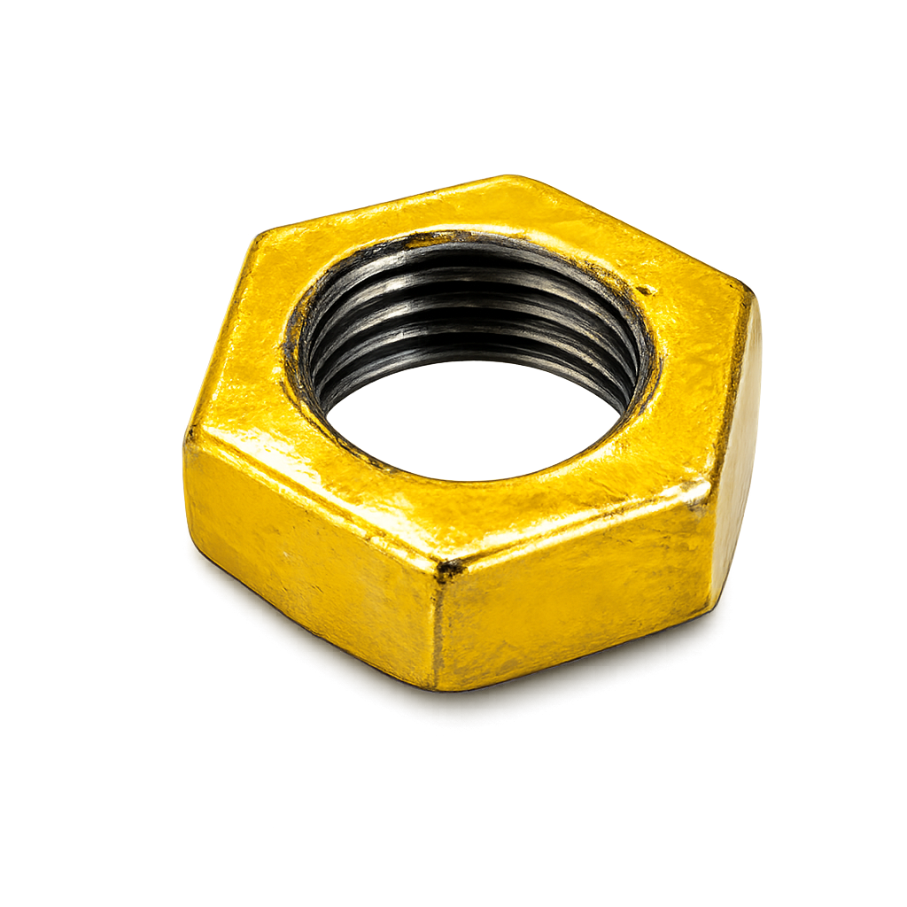
 | I300025000 | 1" | 2498.03 |  | I180025000 | 1" | 16294.34 |  | I310025000 | 1" | 2188.92
 | I300032000 | 11/4" | 3925.42 |  | I180032000 | 11/4" | 14047.58 |  | I310032000 | 11/4" | 2942.65
 | I300038000 | 11/2" | 5593.43 |  | I180038000 | 11/2" | 21456.42 |  | I310038000 | 11/2" | 3248.96
 | I300051000 | 2" | 8345.27 |  | I180051000 | 2" | 28562.87 |  | I310051000 | 2" | 6093.53
 | I300063000 | 21/2" | 19999.70 |  | I180064000 | 21/2" | 91599.08 |  | I310063000 | 21/2" | 11817.07
 | I300076000 | 3" | 28337.22 |  | I180076000 | 3" | 140422.55 |  | I310076000 | 3" | 24642.55
 | I300102000 | 4" | 53759.31 |  | I180102000 | 4" | 301566.39 |  | I310102000 | 4" | 34960.76
 | I300127000 | 5" | 169046.37 |  | I180127000 | 5" | - |  | I310127000 | 5" | 113777.79
 | I300152000 | 6" | 217220.36 |  | I180152000 | 6" | - |  | I310152000 | 6" | 113777.79
UNIONES M.H. | CODIGOS | Diam. | PRECIO | BRIDAS | CODIGOS | Diam. | PRECIO | TEES 45° | CODIGOS | Diam. | PRECIO
 | I341013000 | 1/2" | - |  | I322013000 | 1/2" | 9646.72 |  | I16511300 | 1/2" | 10755.22
 | I341019000 | 3/4" | - |  | I322019000 | 3/4" | 11802.40 |  | I16511900 | 3/4" | 14688.67
 | I341025000 | 1" | - |  | I322025000 | 1" | 14980.22 |  | I16512500 | 1" | 18471.35
 | I341032000 | 11/4" | - |  | I322032000 | 11/4" | 22996.17 |  | I13613200 | 11/4" | 30073.31
 | I341038000 | 11/2" | - |  | I322038000 | 11/2" | 26775.66 |  | I13613800 | 11/2" | 47010.50
 | I341051000 | 2" | - |  | I322051000 | 2" | 34248.31 |  | I16515100 | 2" | 51537.32
 | I341063000 | 21/2" | - |  | I322063000 | 21/2" | 46837.52 |  | I16516300 | 21/2" | 79878.97
 | I341076000 | 3" | - |  | I322076000 | 3" | 81654.26 |  | I16517600 | 3" | 85830.37
 | I341102000 | 4" | - |  | I322102000 | 4" | 124438.67 |  |  |  | -
 |  |  | - |  | I322127000 | 5" | 211006.08 |  |  |  | -
 |  |  | - |  | I322152000 | 6" | 244513.67 |  |  |  | -
UNIONES | CODIGOS | Diam. | PRECIO | TEES 3 MEDIDAS | CODIGOS | Diam. | PRECIO | CODOS RED. | CODIGOS | Diam. | PRECIO
CONICAS | I340013000 | 1/2" | 6918.42 |  | I133191913 | 19x19x13 | 4449.03 |  | I099019013 | 3/4X1/2 | 4147.16
 | I340019000 | 3/4" | 7791.53 |  |  |  |  |  | I099025013 | 1 X 1/2 | 4147.16
 | I340025000 | 1" | 10361.66 |  | I133191313 | 19x13x13 | 4449.03 |  | I099025019 | 1 X 3/4 | 10487.46
 | I340032000 | 11/4" | 18387.63 |  |  |  |  |  | I099032013 | 11/4 X 1/2 | 10487.46
 | I340038000 | 11/2" | 18096.18 |  | I133252513 | 25x25x13 | 6940.49 |  | I099032019 | 11/4 X 3/4 | 10487.46
 | I340051000 | 2" | 28183.77 |  |  |  | - |  | I099032025 | 11/4 X 1 | 23863.91
 | I340064000 | 21/2" | 71208.53 |  | I133251913 | 25x29x13 | 8328.59 |  | I099038013 | 11/2 X 1/2 | 21694.46
 | I340076000 | 3" | 107037.63 |  |  |  |  |  | I099038019 | 11/2 X 3/4 | 16435.20
 | I340010200 | 4" | 212000.53 |  | I133251313 | 25x13x13 | 6998.33 |  | I099038025 | 11/2 X 1 | 16435.20
 | I340012700 | 5" | 1095931.43 |  |  |  |  |  | I099038032 | 11/2X11/4 | 22536.39
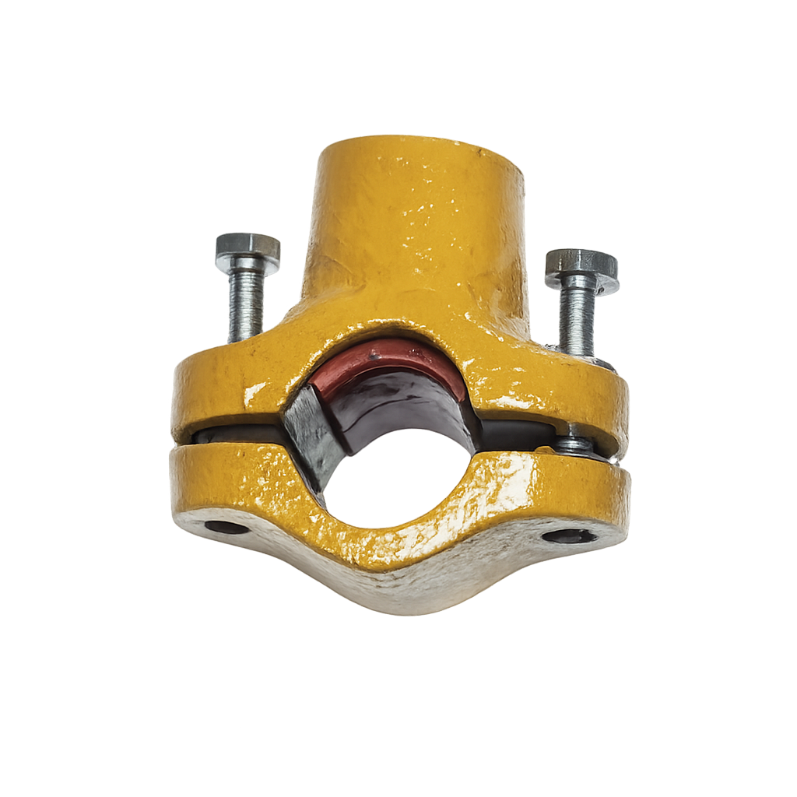
 | I340015200 | 6" | 1144186.02 |  | I133252519 | 25x25x19 | 6680.22 |  | I099051013 | 2 X 1/2 | 27043.67
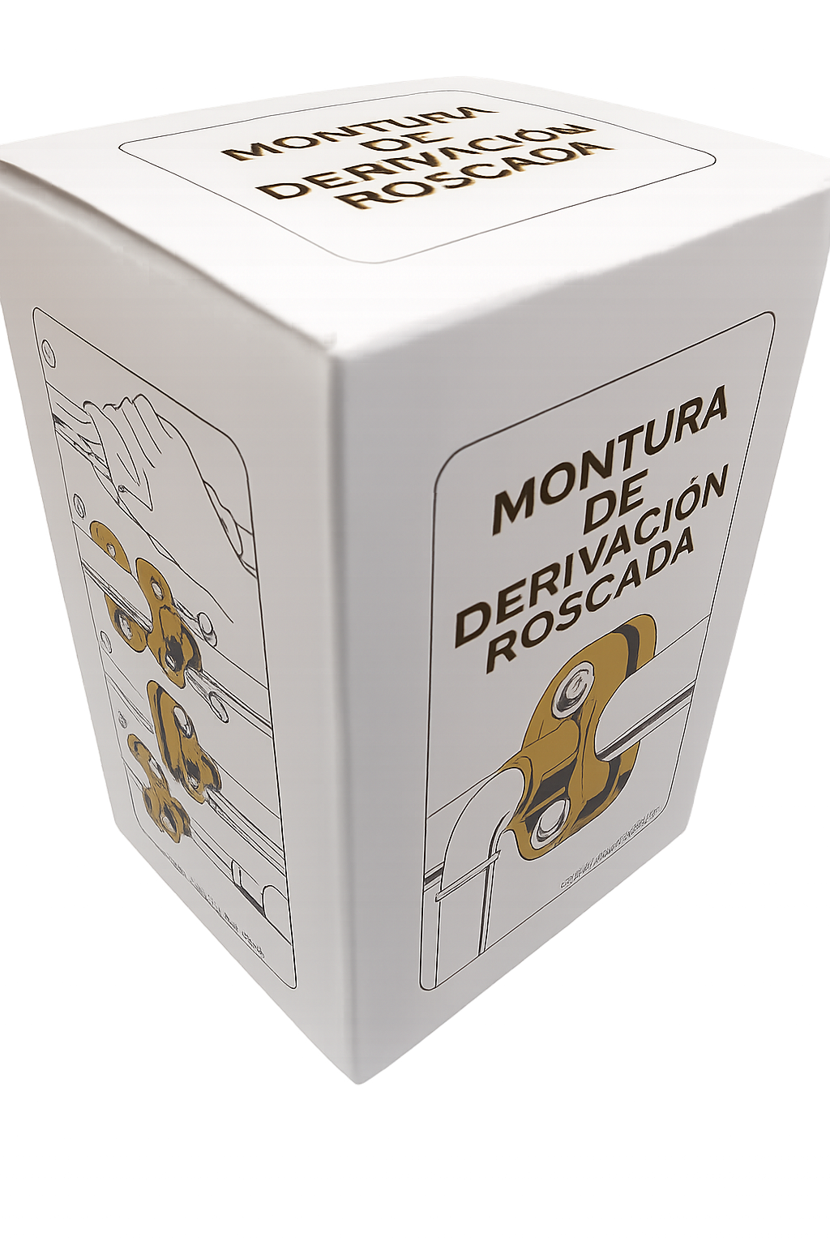
 |  |  | - |  |  |  |  |  | I099051019 | 2 X 3/4 | 27043.67

 | CODIGOS | MEDIDA | PRECIO |  | MONTURA DE DERIVACION ROSCADA |  |  |  | I099051025 | 2 X 1 | 29748.04
 | M131300000 | 1/2X1/2 | 21016.53 |  |  |  |  |  | I099051032 | 2 X 11/4 | 29748.04
 | M191300000 | 3/4X1/2 | 21016.53 |  | Bulones 1/4" Galv. |  |  |  | I099051038 | 2 X 11/2 | 2770.69
 | M191900000 | 3/4X3/4 | 23780.03
 | M251300000 | 1 X 1/2 | 23633.97 |  |  |  |  |  | Pida la de la CAJITA
 | M251900000 | 1 X 3/4 | 24097.10 |  | Junta silicona comprimida
 |  |  |  |  |  |  |  |  | 25 años garantizan el producto

ACCESORIOS EPOXI |  |  |  |  | Sucesores de Brovelli y cía. SRL |  |  |  |  |  | LISTA
BUJES RED, | CODIGOS | Diam. | PRECIO | CUPLAS RED, | CODIGOS | Diam. | PRECIO | TEES DE RED. | CODIGOS | Diam. | PRECIO
 | I241019013 | 3/4X1/2 | 2295.80 |  | I241019013 | 3/4X1/2 | 2536.14 |  | I241019013 | 3/4X1/2 | 3770.00
 | I241025013 | 1 X 1/2 | 3144.21 |  | I241025013 | 1 X 1/2 | 3314.13 |  | I241025013 | 1 X 1/2 | 5198.26
 | I241025019 | 1 X 3/4 | 3442.09 |  | I241025019 | 1 X 3/4 | 3314.13 |  | I241025019 | 1 X 3/4 | 8339.65
 | I241032013 | 11/4X1/2 | 3603.73 |  | I241032013 | 11/4 X 1/2 | 5059.90 |  | I241032013 | 11/4 X 1/2 | 8092.41
 | I241031019 | 11/4X3/4 | 5455.84 |  | I241031019 | 11/4 X 3/4 | 5059.90 |  | I241031019 | 11/4 X 3/4 | 12570.73
 | I241032025 | 11/4X1 | 3409.66 |  | I241032025 | 11/4 X 1 | 5059.90 |  | I241032025 | 11/4 X 1 | 12570.73
 | I241038013 | 11/2X1/2 | 7482.25 |  | I241038013 | 11/2 X 1/2 | 6302.73 |  | I241038013 | 11/2 X 1/2 | 11185.76
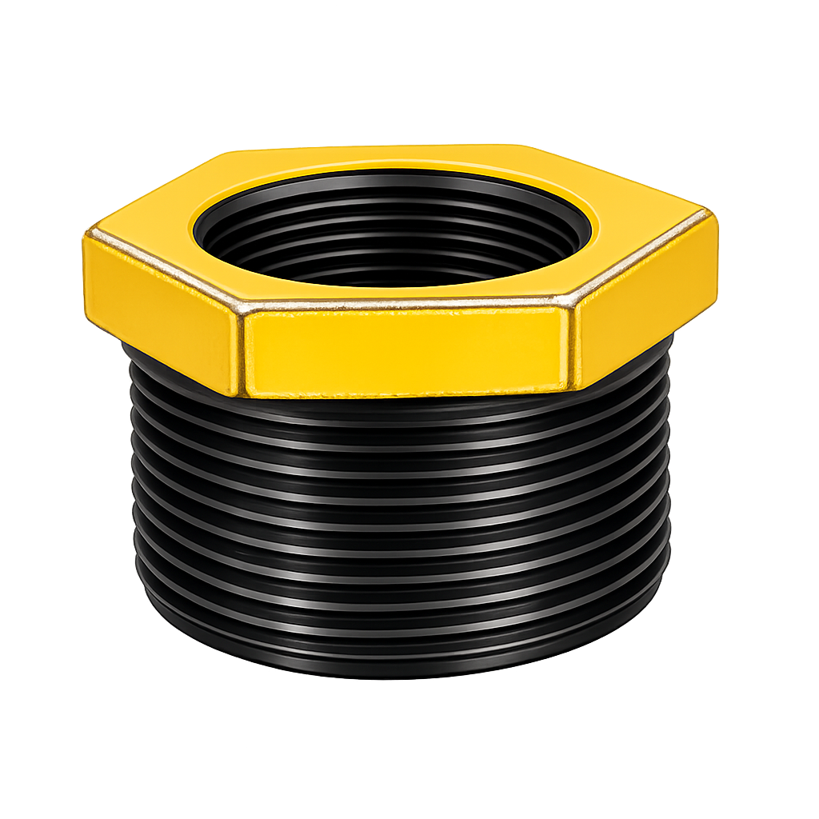
 | I241038019 | 11/2X3/4 | 6882.03 |  | I241038019 | 11/2 X 3/4 | 6302.73 |  | I241038019 | 11/2 X 3/4 | 15858.22
 | I241038025 | 11/2X1 | 6455.24 |  | I241038025 | 11/2 X 1 | 6302.73 |  | I241038025 | 11/2 X 1 | 15858.22
 | I241038032 | 11/2X11/4 | 6225.37 |  | I241038032 | 11/2X11/4 | 6302.73 |  | I241038032 | 11/2X11/4 | 15858.22
 | I241051013 | 2X1/2 | 9296.02 |  | I241051013 | 2 X 1/2 | 9986.01 |  | I241051013 | 2 X 1/2 | 26031.28
 | I241051019 | 2x3/4 | 9296.02 |  | I241051019 | 2 X 3/4 | 9986.01 |  | I241051019 | 2 X 3/4 | 26031.28
 | I241051025 | 2X1 | 7386.14 |  | I241051025 | 2 X 1 | 11954.74 |  | I241051025 | 2 X 1 | 26031.28
 | I241051032 | 2X11/4 | 8659.90 |  | I241051032 | 2 X 11/4 | 11954.74 |  | I241051032 | 2 X 11/4 | 21694.00
 | I241051038 | 2X11/2 | 10046.56 |  | I241051038 | 2 X 11/2 | 9986.01 |  | I241051038 | 2 X 11/2 | 21694.00
 | I241064013 | 21/2X1/2 | 18256.48 |  | I241064013 | 21/2 X 1/2 | 36891.93 |  | I241064013 | 21/2 X 1/2 | 51554.16
 | I241064019 | 21/2X3/4 | 18256.48 |  | I241064019 | 21/2 X 3/4 | 36891.93 |  | I241064019 | 21/2 X 3/4 | 46867.42
 | I241064025 | 21/2X1 | 18256.48 |  | I241064025 | 21/2 X 1 | 32079.94 |  | I241064025 | 21/2 X 1 | 55527.49
 | I241064034 | 21/2X11/4 | 13847.16 |  | I241064034 | 21/2X11/4 | 32079.94 |  | I241064034 | 21/2X11/4 | 55527.49
 | I241064038 | 21/2X11/2 | 13847.16 |  | I241064038 | 21/2X11/2 | 32079.94 |  | I241064038 | 21/2X11/2 | 79910.01
 | I241064051 | 21/2X2 | 13847.16 |  | I241064051 | 21/2 X 2 | 32079.94 |  | I241064051 | 21/2 X 2 | 81349.83
 | I241076013 | 3 X 1/2 | 26640.46 |  | I241076013 | 3 X 1/2 | 42525.10 |  | I241076013 | 3 X 1/2 | 87901.01
 | I241076019 | 3 X 3/4 | 26640.46 |  | I241076019 | 3 X 3/4 | 42525.10 |  | I241076019 | 3 X 3/4 | 87901.01
 | I241076025 | 3 X 1 | 26640.46 |  | I241076025 | 3 X 1 | 42525.10 |  | I241076025 | 3 X 1 | 79910.01
 | I241076032 | 3 X 11/4 | 26640.46 |  | I241076032 | 3 X 11/4 | 36978.34 |  | I241076032 | 3 X 11/4 | 81349.83
 | I241076038 | 3 X 11/2 | 24530.07 |  | I241076038 | 3 X 11/2 | 36441.62 |  | I241076038 | 3 X 11/2 | 81349.83
 | I241076051 | 3 X 2 | 24530.07 |  | I241076051 | 3 X 2 | 36441.62 |  | I241076051 | 3 X 2 | 81349.83
 | I240076064 | 3 X 21/2 | 24530.07 |  | I240076064 | 3 X 21/2 | 36620.14 |  | I240076064 | 3 X 21/2 | 95774.44
 | I241102013 | 4 X 1/2 | 57386.86 |  | I241102013 | 4 X 1/2 | 83955.34 |  | I241102013 | 4 X 1/2 | 184590.10
 | I241102019 | 4 X 3/4 | 57386.86 |  | I241102019 | 4 X 3/4 | 83955.34 |  | I241102019 | 4 X 3/4 | 184590.10
 | I241102025 | 4 X 1 | 57386.86 |  | I241102025 | 4 X 1 | 83955.34 |  | I241102025 | 4 X 1 | 184590.10
 | I241102032 | 4 X 11/4 | 57386.86 |  | I241102032 | 4 X 11/4 | 83955.34 |  | I241102032 | 4 X 11/4 | 184590.10
 | I241102038 | 4 X 11/2 | 47817.76 |  | I241102038 | 4 X 11/2 | 83955.34 |  | I241102038 | 4 X 11/2 | 153825.08
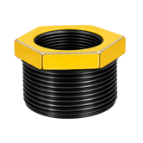
 | I241102051 | 4 X 2 | 47817.76 |  | I241102051 | 4 X 2 | 73004.65 |  | I241102051 | 4 X 2 | 151102.52
 | I241102064 | 4 X 21/2 | 47817.76 |  | I241102064 | 4 X 21/2 | 72409.78 |  | I241102064 | 4 X 21/2 | 153825.08
 | I241102076 | 4 X 3 | 47817.76 |  | I241102076 | 4 X 3 | 74560.58 |  | I241102076 | 4 X 3 | 153825.08
 | I241127000 | 5 XTodas | 266029.54 |  | I241127000 | 5 X TODAS | 319758.74 |  | I24112700 | 5 X TODAS | 411481.94
 | I241127038 | 5 X 11/2 | 266029.54 |  | I241127032 | 5 X 11/4 | 319758.74 |  | I241127032 | 5 X 11/4 | 411481.94
 | I241127051 | 5 X 2 | 266029.54 |  | I241127038 | 5 X 11/2 | 319758.74 |  | I241127038 | 5 X 11/2 | 411481.94
 | I241127064 | 5 X 21/2 | 266029.54 |  | I241127051 | 5 X 2 | 319758.74 |  | I241127051 | 5 X 2 | 411481.94
 | I241127076 | 5 X 3 | 266029.54 |  | I241127064 | 5 X 21/2 | 319758.74 |  | I241127064 | 5 X 21/2 | 411481.94
 | I241127102 | 5 X 4 | 266029.54 |  | I241127076 | 5 X 3 | 319758.74 |  | I241127076 | 5 X 3 | 411481.94
 | I241152013 | 6 X1/2 | 285303.54 |  | I241127102 | 5 X 4 | 319758.74 |  | I241127102 | 5 X 4 | 411481.94
 | I241152019 | 6 X 3/4 | 285303.54 |  | I241152025 | 6 X 1 | 425070.55 |  | I241152025 | 6 X 1 | 803444.45
 | I241152025 | 6 X 1 | 285303.54 |  | I241152032 | 6 X 11/4 | 425070.55 |  | I241152032 | 6 X 11/4 | 803444.45
 | I241152032 | 6 X 11/4 | 285303.54 |  | I241152038 | 6 X 11/2 | 425070.55 |  | I241152038 | 6 X 11/2 | 803444.45
 | I241152038 | 6 X 11/2 | 285303.54 |  | I241152051 | 6 X 2 | 425070.55 |  | I241152051 | 6 X 2 | 803444.45
 | I241152051 | 6 X 2 | 285303.54 |  | I241152063 | 6 X21/2 | 425070.55 |  | I241152063 | 6 X21/2 | 803444.45
 | I241152063 | 6 X 21/2 | 285303.54 |  | I241152076 | 6 X 3 | 425070.55 |  | I241152076 | 6 X 3 | 803444.45
 | I241152076 | 6 X 3 | 285303.54 |  | I241152102 | 6 X 4 | 355381.02 |  | I241152102 | 6 X 4 | 803444.45
 | I241152102 | 6 X 4 | 275372.53 |  | I241152127 | 6 X 5 | 359675.08 |  | I241152127 | 6 X 5 | 803444.45
 | I241152127 | 6 X 5 | 285303.54 |  |  |  | - |  |  |  | -

